LED
Rev. : A

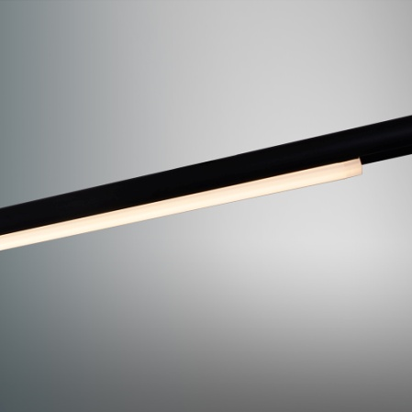
POLE–L-S |  | Product specification
 |  | INTERIOR LED LINEAR LIGHT
 |  | Installation | System light
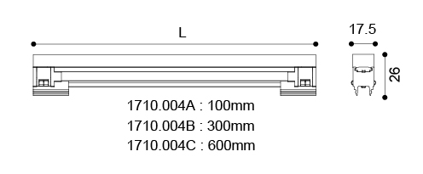
 |  | Cut out
 |  | Dimension | 17.5 X26x Lmm
 |  |  | L=100mm
 |  |  | L=300mm
 |  |  | L=600mm

Technical description
Article number |  |  | 1710.004A-V | 1710.004B-V | 1710.004C-V
LED Consumption |  |  | 2W | 6W | 12W
Current |  |  | -
CCT |  |  | 3000K | 3000K | 3000K
Lumen *1 |  |  | - | - | -
Øsystem*3 |  |  | 128 (lm) | 372 (lm) | 737 (lm)
Voltage |  |  | 24V DC
Reflector |  |  | 120°
CRI |  |  | 80+
Driver

Technical character |  |  | Materials
Insulation | CLASS III |  | Luminaire |  | aluminum extruded body and plastic end cap PC diffuser
Protection | IP 20
Tilt | - |  | Reflector
Rotate | - |  | Heat sink |  | aluminum extruded
Operating temperature | -20~40 °C |  | Color available |  | black
Average Failure Time | L70(6k) >36000 (h)

120°
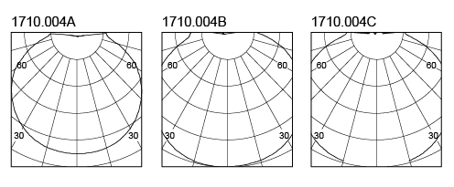
Package |  |  | Photometric
inner box | mm 1 kg
outer box | mm 0 kg / 0 in 1

Accessories
None

Remarks

*1. LUMEN : for LED chip test result based on Tc=85°C.
This is the ideal (Maximum) lumen. This lumen information is from the LED supplier
*3. LUMEN(Øsystem) (Total FLUX) : this lumen is from luminaire with heat sink, reflector and fixture,
this is the real lumen with the loss because of different design of reflectors and fixtures.

傳統光源
Rev. : A

GIMBAL-DC2 |  |  |  | Product specification
 |  |  |  | INTERIOR RECESSED DOWN LIGHT
 |  |  |  | Installation | Ceiling recessed
 |  |  |  | Cut out | Ø143mm
 |  |  |  | Dimension | Ø152mm X H=140

Technical description
Article number |  |  |  |  | 1178.103A
Lamp |  |  |  |  | CDM-T
Lampholder |  |  |  |  | G12
Wattage |  |  |  |  | 35 / 70 W
Voltage |  |  |  |  | AC230V
Beam Angle |  |  |  |  | 24°
Ballast |  |  |  |  | Remoted,Electronic, PHILIPS / OSRAM / TRIDONIC / VS.

Technical character |  |  |  |  | Materials
Insulation |  | CLASS I |  |  | Housing | Aluminium
Protection |  | IP 20 |  |  | Bezel | Aluminium
Tilt |  | 0°-30° |  |  | Heat Sink | None
Rotate |  | 0°~355° |  |  | Reflector | Anodized reflector
Operating temperature |  | 0~40°C |  |  | Glass | Temperated Glass
 |  |  |  |  | Color available | White / Sliver / Black

24°
Package |  |  |  |  | Photometric
inner box | 80x80x80 | mm | 1 kg
outer box | 500x500x500 | mm | 6 kg / 6 in 1

Accessories
None

Remarks

資料清單(不可刪)
Product specification | INTERIOR TRACK LIGHT | INTERIOR RECESSED SPOT LIGHT | INTERIOR RECESSED DOWN LIGHT | INTERIOR RECESSED WALL LIGHT | INTERIOR SURFACE MOUNTED WALL LIGHT | INTERIOR LED PANEL LIGHT | INTERIOR COMBO LIGHT | INTERIOR MULTI COMBO LIGHT | INTERIOR MULTI PENDANT LIGHT | INTERIOR PENDENT LIGHT | INTERIOR SURFACE MOUNTED CEILING LIGHT | INTERIOR LED LINEAR LIGHT | EXTERIOR LED SPOT LIGHT | EXTERIOR RECESSED WALL LIGHT | EXTERIOR SURFACE MOUNTED WALL LIGHT | EXTERIOR CEILING LIGHT | EXTERIOR LED LINEAR LIGHT | EXTERIOR LED INGROUND LIGHT | EXTERIOR LED BOLLARD LIGHT | EXTERIOR Pool Light | INTERIOR LED CABINET LIGHT
Current | 350mA | 700mA | 1400mA | 1050mA | 2100mA
Housing | None | Aluminum die cast | Zinc | Stainless steel | Iron | Others
Bezel | None | Aluminum die cast | Zinc | Stainless steel | Iron | Others
Heat Sink | Aluminum die cast | Forged aluminum | Heat pipe | Others | None
Reflector | Anodized reflector | vacuum plating reflector | LENS | Others | None
Glass | None | Temperated Glass | Temperated Foggy Glass | Others
Installation | Ceiling recessed | Track light | Ceiling mounted | Wall recessed | Wall mounted | INGROUND LIGHT | PENDENT LIGHT
Insulation | CLASS I | CLASS II | CLASS III | Others
Protection | IP20 | IP40 | IP44 | IP54 | IP65 | IP68
Accessories | None | Honeycomb | Diffuser | Clear Glass | Stripe Glass | Wove Glass | Others
 | Average Failure Time | L70(6k) >36000 (h) | L70(10k) >60000 (h) | L70(10k)50000(h)

60°
Photometric

